Projects (2)
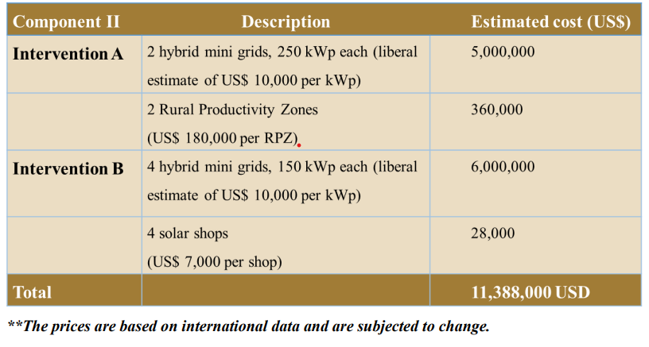
Project ID | Title | Link | Budget | Beneficiary Category | Indicator | Baseline | Target | Notes | Donors | Gender (% female) | Category | Comments | Tag | SEH Taxonomy | RISE Taxonomy | Flagship | Indirect Category | Indirect Taxonomy
122455 | Off-grid Renewable Energy Solutions in Rural Suriname | https://open.undp.org/projects/00122455 | 11,388,000.00 | Energy (MW added) | MW Improved electricity access in the interior of Suriname Reduced GHG emissions |  | 1.1 | Two renewable hybrid mini grids with each a capacity of 250 kWp Four hybrid mini grids capacity of 150 kWp, and four solar shops |  |  | Non-VF | to the CO: are there any additional projected outputs? 1.1 total MWp seems low based on the budget
 |  |  |  |  |  |  |  |  |  |  |  | The Implementation Component consist of 6 mini grids, 2 rural productivity zones and 4 solar shops providing electricity to an estimated 6000-8000 people (see breakdown below) The costs associated with the Implementation Component, are based on a study conducted by the Innovation Energie Développement, where the cost for solar hybrid mini grids (solar PV plus diesel back-up) are estimated in the range of US$5,000-10,000 per kWp installed capacity (IED, 2013). These estimated costs include equipment, connections, engineering costs and supervision (excluding costs for capacity-building). Installation costs of a solar PV system for one RPZ is estimated at around US$180,000 and the total cost of setting up one solar shop is around US$7,000 (NAMA Namibia, 2015). The RPZ will be supported by rural women organizations. In the NAMA area, rural women are the backbone of sustainable community livelihoods. They are the ones providing food for their families and their communities while also taking care of children and their houses.

